Sheet1
Test Cases
Test Cases ID | Precondition | Test Scenerio/Test Condition | Test Case/Test Step | Test Date | Expected Result | Remarks | Screenshot

TD_01 | The program should be deployed on the server | test the valid input is given and the first number is maximum | enter the first number | 56 | number 56 is maximum | pass | 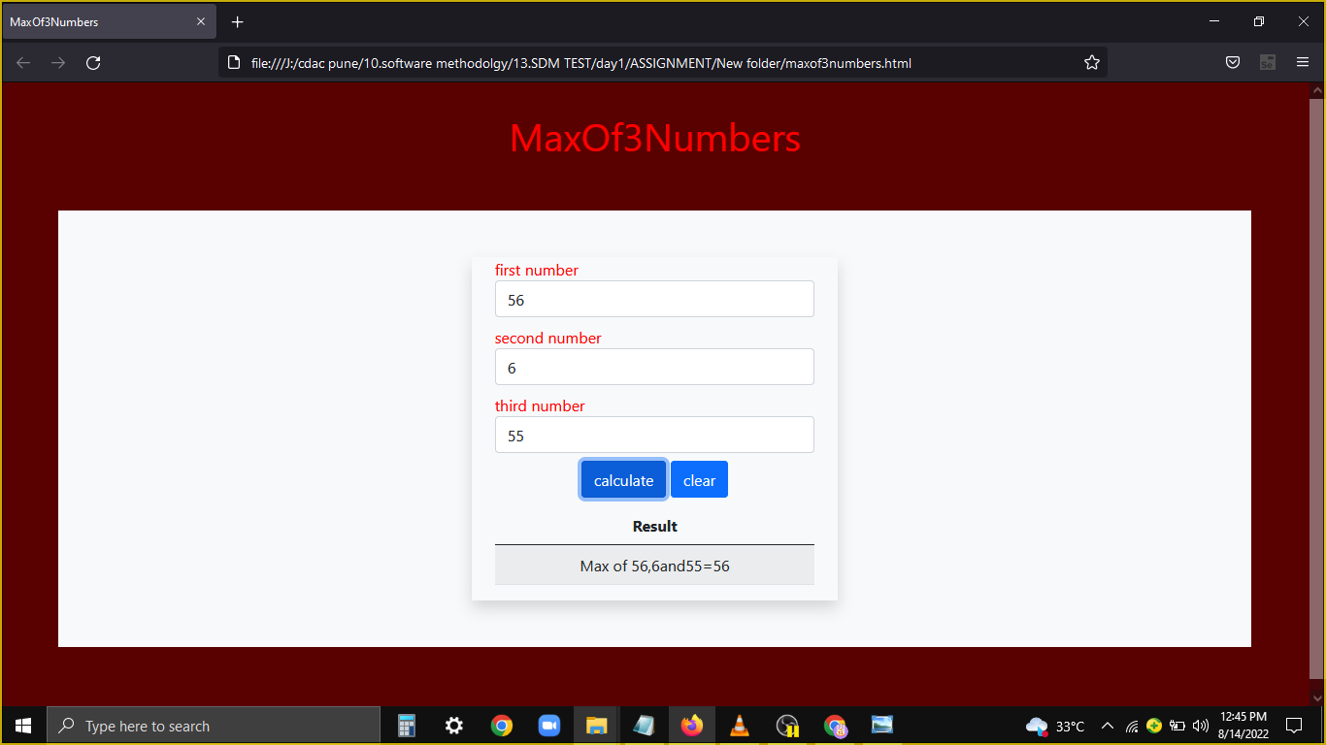

 |  |  | enter the second number | 6

 |  |  | enter the third number | 55

 |  |  | click on the calculate button

TD_02 | The program should be deployed on the server | test the valid input is given and the second number is maximum | enter the first number | 56 | number 61 is maximum | pass | 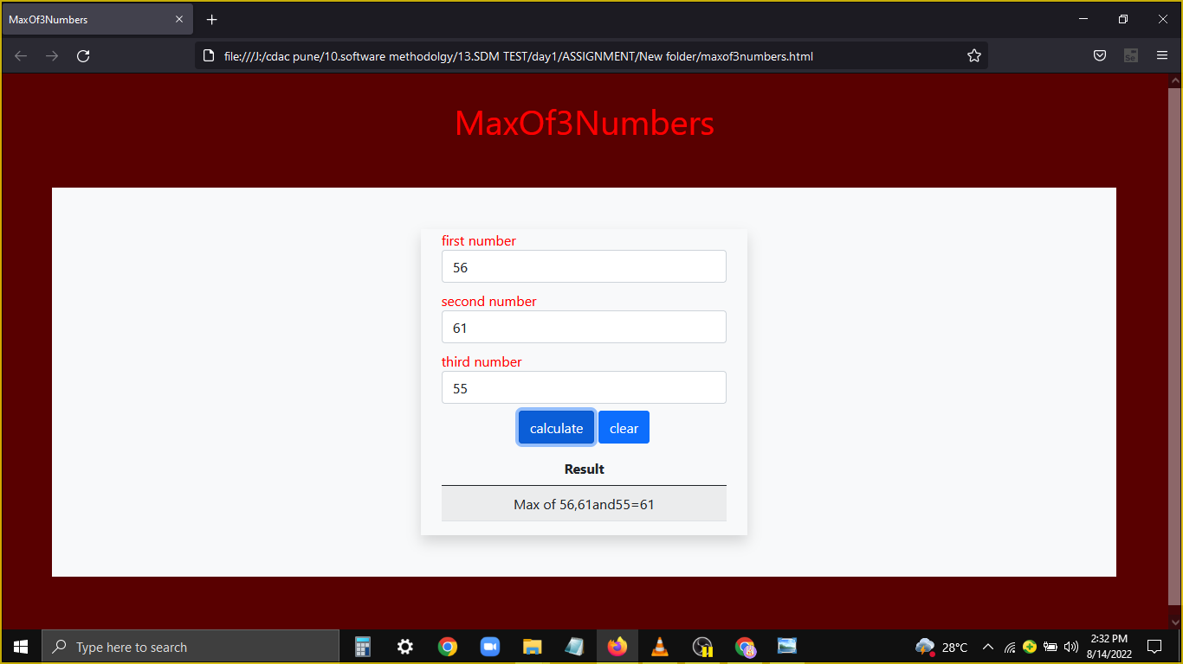

 |  |  | enter the second number | 61

 |  |  | enter the third number | 55

 |  |  | click on the calculate button

TD_03 | The program should be deployed on the server | test the valid input is given and the Third number is maximum | enter the first number | 33 | number 71 is maximum | pass | 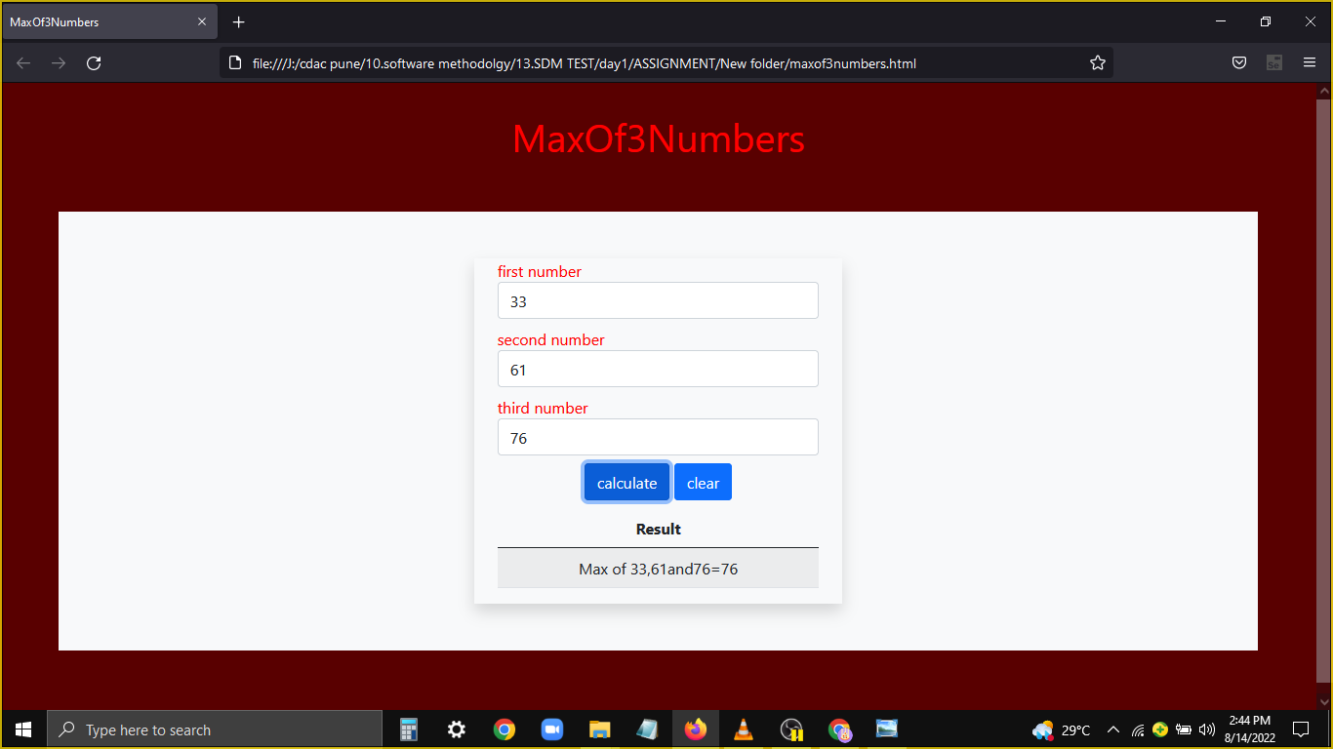

 |  |  | enter the second number | 61

 |  |  | enter the third number | 76

 |  |  | click on the calculate button

TD_04 | The program should be deployed on the server | if the first number is not the integer | enter the first number | a | first number must be positive number and cannot be letters | 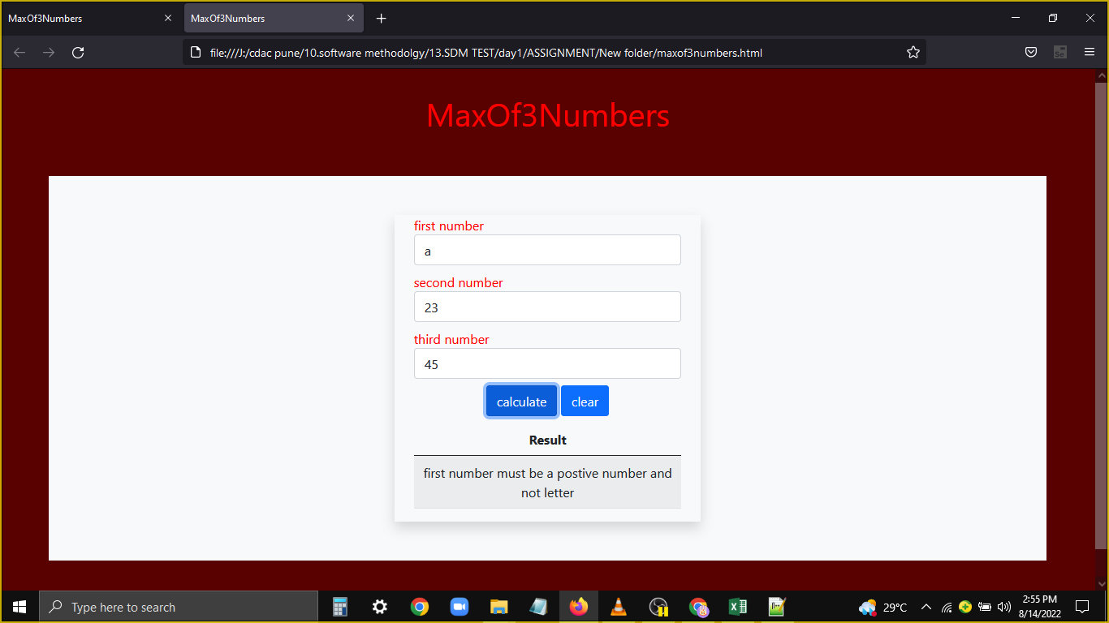 fails

 |  |  | enter the second number | 23

 |  |  | enter the third number | 45

 |  |  | click on the calculate button

